Data Plots
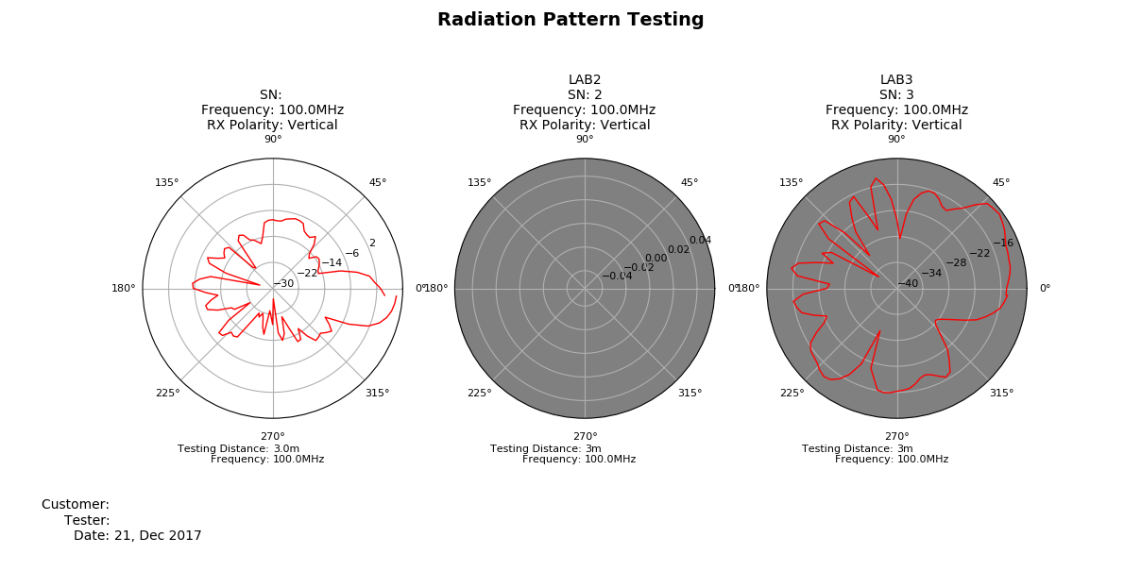
Data Collection Plots
Date: | 2017-12-21
DUT Label:
DUT Serial Number:

